Solar background
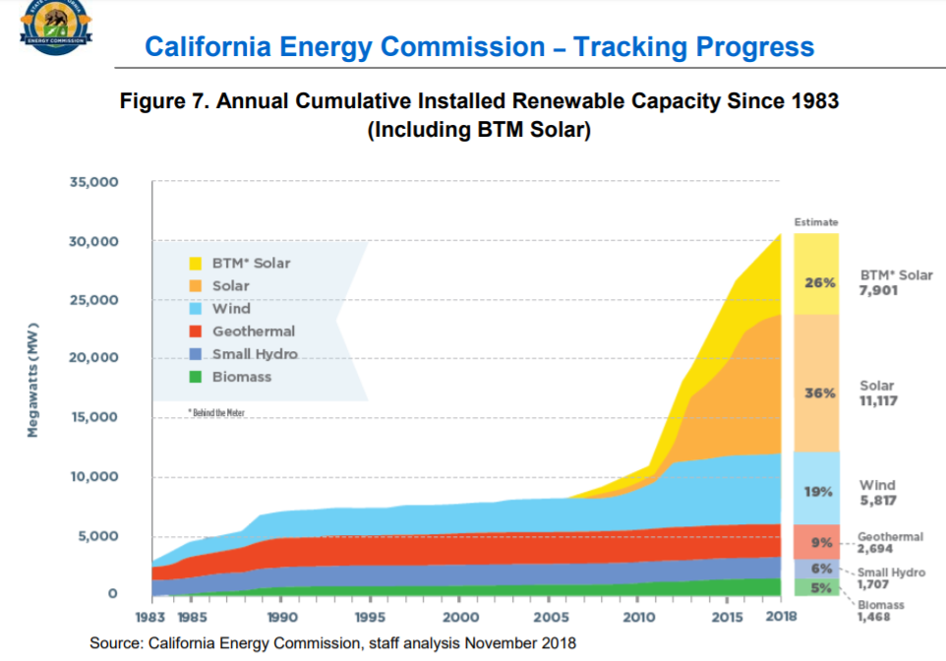
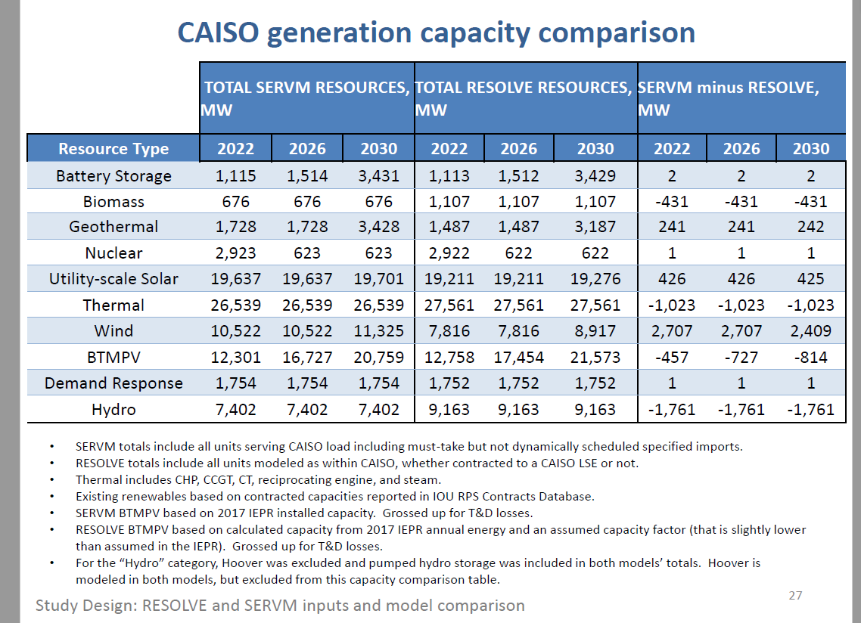
Installed as of 2018 per CEC and shown below | 7900

2030 expectation informed by CPUC IPR.
IRP documentation also states:

Solar calculations
 | 2015 | 2016 | 2017 | 2018 | 2019 | 2020 | 2021 | 2022 | 2023 | 2024 | 2025 | 2026 | 2027 | 2028 | 2029 | 2030 | 2031 | 2032 | 2033 | 2034 | 2035 | 2036 | 2037 | 2038 | 2039 | 2040 | 2041 | 2042 | 2043 | 2044 | 2045 | 2046 | 2047 | 2048 | 2049 | 2050
MW of Capacity | 3387 | 4664 | 5811 | 7900 | 9005.5 | 10111 | 11216.5 | 12322 | 13427.5 | 14533 | 15638.5 | 16744 | 17849.5 | 18955 | 20060.5 | 21166 | 21166 | 21166 | 21166 | 21166 | 21166 | 21166 | 21166 | 21166 | 21166 | 21166 | 21166 | 21166 | 21166 | 21166 | 21166 | 21166 | 21166 | 21166 | 21166 | 21166
Generation MWh | 6314100.2551 | 8694704.3371 | 10832960.314 | 14727307.947 | 16788198.951 | 18849089.956 | 20909980.96 | 22970871.964 | 25031762.969 | 27092653.973 | 29153544.978 | 31214435.982 | 33275326.987 | 35336217.991 | 37397108.996 | 39458000 | 39458000 | 39458000 | 39458000 | 39458000 | 39458000 | 39458000 | 39458000 | 39458000 | 39458000 | 39458000 | 39458000 | 39458000 | 39458000 | 39458000 | 39458000 | 39458000 | 39458000 | 39458000 | 39458000 | 39458000

Historical per DG stats source | 3387 | 4664 | 5811
CEC tracking progress (accessed May 1 2019) |  |  |  | 7900

Evaluation of IRP trend below. Capture as a linear trend from 2018 to 2030 value

Constant annual increment 2019 to 2030, current to IRP |  |  |  | 1105.5
Difference in capacity (before accounting for CAISO vs. non-CAISO areas). |  |  |  |  |  |  |  | 12530 | 13045 | 13560 | 14075 | 14591 | 16234 | 17878 | 19522 | 21166

From IRP source
Capacity |  |  |  |  |  |  |  | 12530 | 13044.75 | 13560 | 14075.25 | 14590.5 | 16234.375 | 17878.25 | 19522.125 | 21166
Generation |  |  |  |  |  |  |  |  |  |  |  |  |  |  |  | 39458000
Capacity factor implied by IRP

Hours per year | 8760
 | 0.21281006801

http://www.cpuc.ca.gov/uploadedFiles/CPUCWebsite/Content/UtilitiesIndustries/Energy/EnergyPrograms/ElectPowerProcurementGeneration/DemandModeling/IRP_RSP_2017IEPR_SERVM_results_20180913.pdf

Take midpoint of the two models

 | 2022 | 2026 | 2030
SERVM | 12301 | 16727 | 20759
Resolve | 12758 | 12454 | 21573
Avg | 12529.5 | 14590.5 | 21166

http://www.cpuc.ca.gov/uploadedFiles/CPUCWebsite/Content/UtilitiesIndustries/Energy/EnergyPrograms/ElectPowerProcurementGeneration/irp/2018/IRP_workshop_2018-10-31_slides.pdf

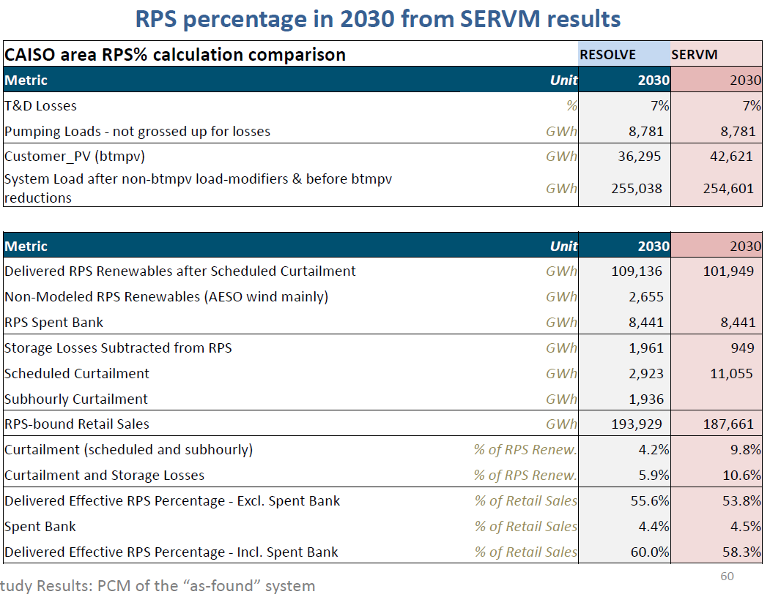

 |  |  |  |  |  |  |  | 2022 | 2023 | 2024 | 2025 | 2026 | 2027 | 2028 | 2029 | 2030 | 2031 | 2032 | 2033 | 2034 | 2035
Level from prior BAU, which reflected the "Updated Reference" for the Scoping Plan scenario |  |  |  |  |  |  |  | 12529.5 | 13044.75 | 13560 | 14075.25 | 14590.5 | 16234.375 | 17878.25 | 19522.125 | 21166

hours in year
implicit capacity factor

Sector allocation of Rooftop PV
This page assigns rooftop PV, capacity and generation, according to current installation patterns.
The commercial and residential shares calculated in cells B15 and B16 are applied to the values in rows 8 and 9.

 | Distributed Generation and Capacity
 | Based on E3 outputs for capacity and generation in the updated reference case

 | 2015 | 2016 | 2017 | 2018 | 2019 | 2020 | 2021 | 2022 | 2023 | 2024 | 2025 | 2026 | 2027 | 2028 | 2029 | 2030 | 2031 | 2032 | 2033 | 2034 | 2035 | 2036 | 2037 | 2038 | 2039 | 2040 | 2041 | 2042 | 2043 | 2044 | 2045 | 2046 | 2047 | 2048 | 2049 | 2050
Generation (MWh) | 5.91E+06 | 7.22E+06 | 8.08E+06 | 8.93E+06 | 9.80E+06 | 1.07E+07 | 1.18E+07 | 1.31E+07 | 1.45E+07 | 1.61E+07 | 1.79E+07 | 1.98E+07 | 2.19E+07 | 2.42E+07 | 2.67E+07 | 2.94E+07 | 3.03E+07 | 3.12E+07 | 3.21E+07 | 3.29E+07 | 3.38E+07 | 3.47E+07 | 3.56E+07 | 3.65E+07 | 3.73E+07 | 3.82E+07 | 3.91E+07 | 4.00E+07 | 4.08E+07 | 4.17E+07 | 4.26E+07 | 4.34E+07 | 4.43E+07 | 4.52E+07 | 4.61E+07 | 4.69E+07
Capacity (MW) | 3649 | 4459 | 4992 | 5515 | 6052 | 6614 | 7297 | 8091 | 8991 | 9977 | 11060 | 12218 | 13497 | 14911 | 16472 | 18197 | 18737 | 19278 | 19818 | 20358 | 20898 | 21438 | 21978 | 22518 | 23059 | 23599 | 24139 | 24679 | 25219 | 25759 | 26299 | 26839 | 27380 | 27920 | 28460 | 29000

 | Division across commercial and residential
 | Proportions from http://www.californiadgstats.ca.gov/charts/

 | Allocation across sectors below, using Data breakdown provided below "notes on allocation across sector"
Residential | 66.58%
Commerical | 21.41%
Industrial | 12.01%

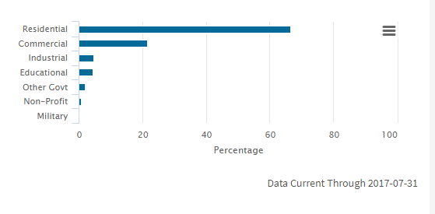
 | Urban vs. rural not important in CA
 | Place data in the urban worksheet.

Notes on allocation across sector
Distributed PV.
DG stats for California are Jan. 1, 2015 to July 31, 2017 inclusive.
Caculated for the full interconnected NEMS data set, but decided to go with this more recent data
as likely more reflective of future trends.

Commercial includes:
educational
other government
military
nonprofit
industry

 | Proportions from http://www.californiadgstats.ca.gov/charts/

IRP excerpts
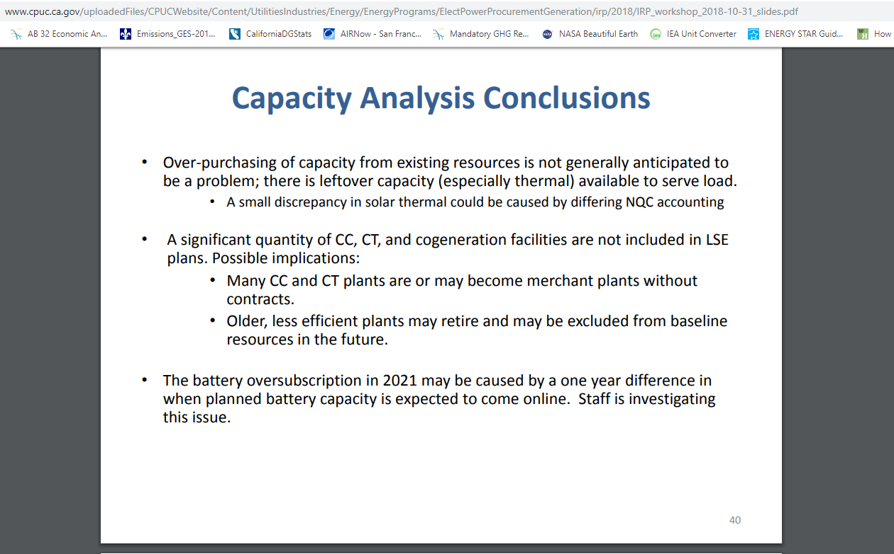
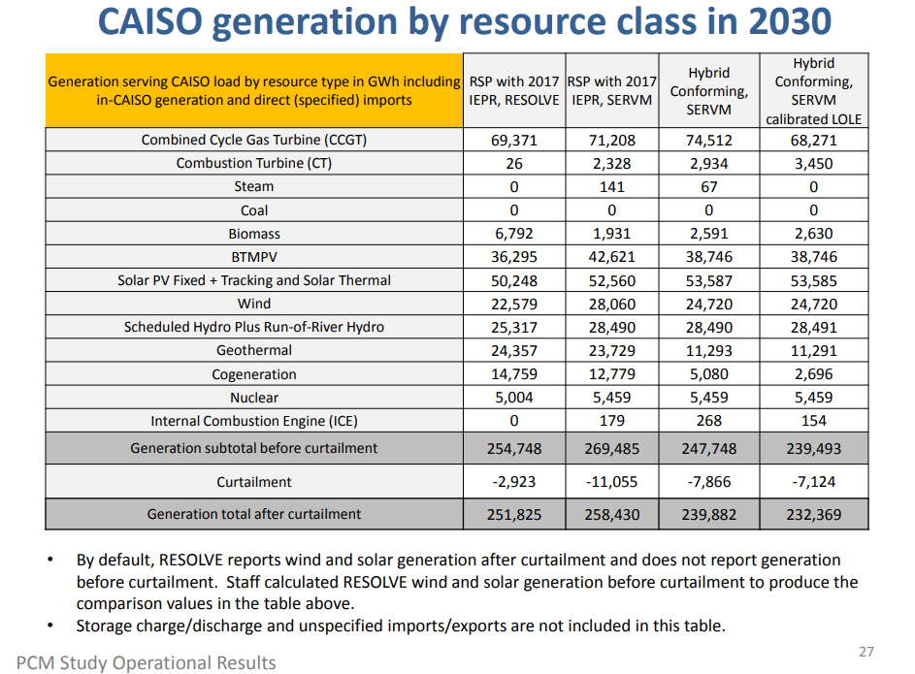
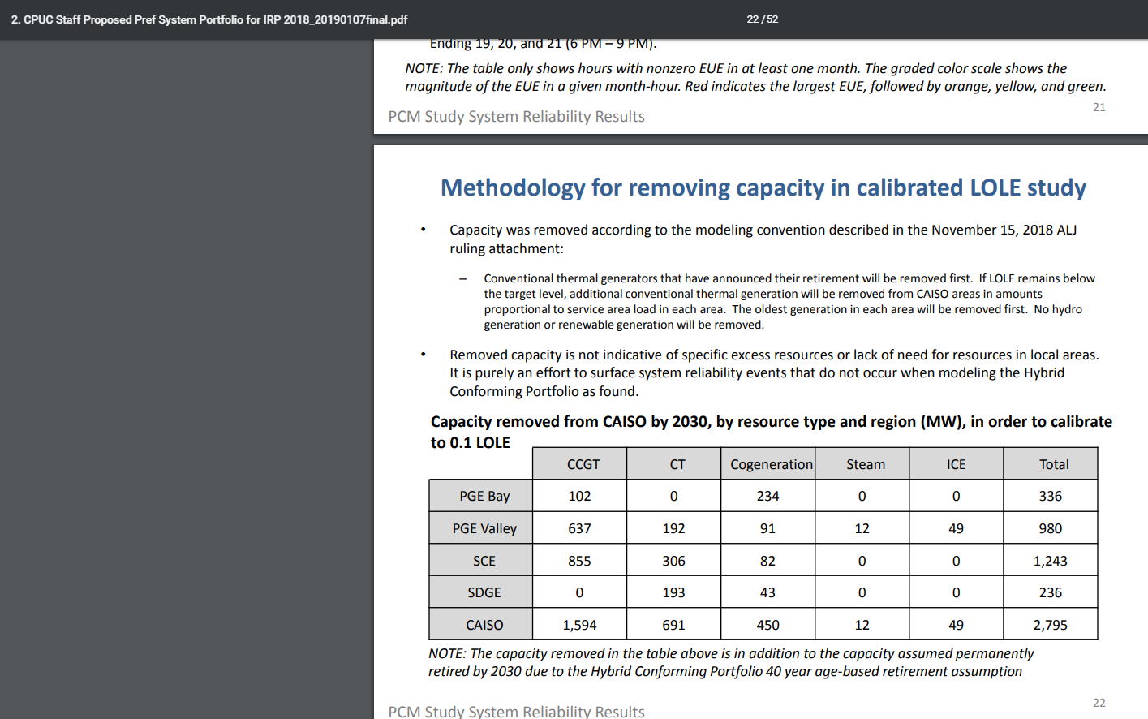
These indicate declining reliance on CHP for power.

3rd panel down shows very substantial decline in estimated remaining CHP in 2030.
2696 GWh is the amount produced in 2030 in the latest estimate.

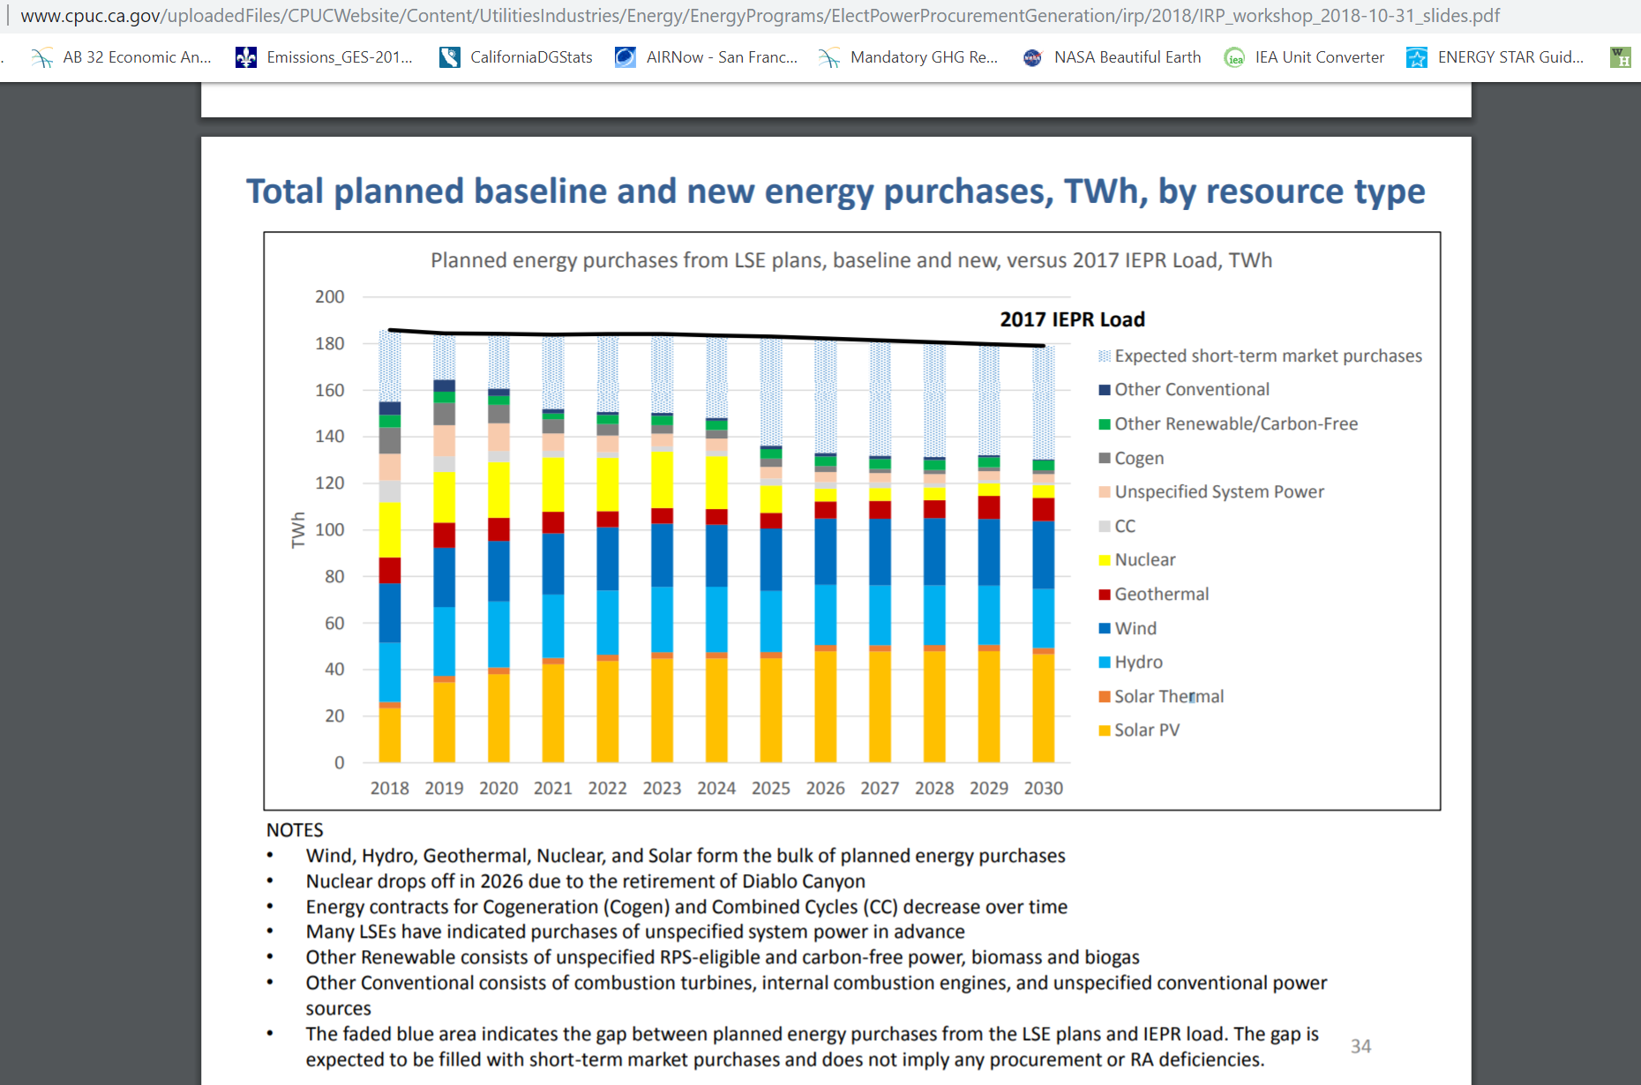

 | Notice cogen category in decline.

Natural gas background
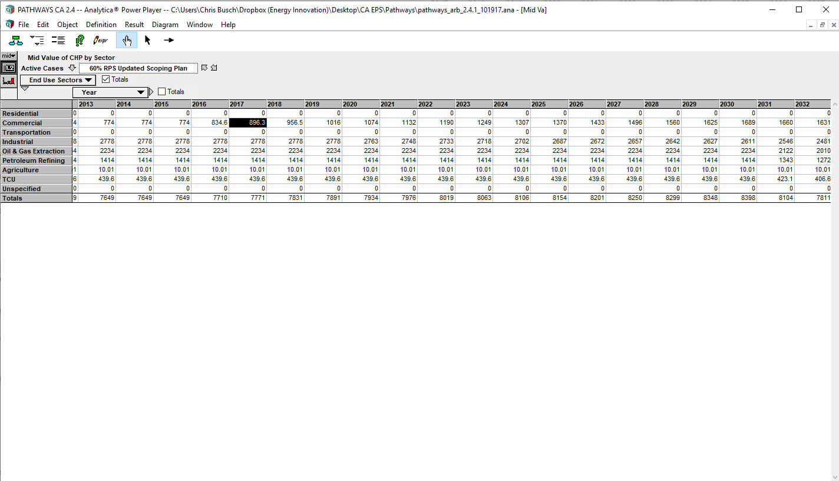
E3 Pathways data are below for commercial building CHP.

These show significantly more generation than the data used from DOE EIA State Energy Profile.
As well, more recently IRP indicates expectations for a decline in CHP.

DOE data are used, augmented by IRP data (see "IRP excerpts") to impute the trend over time.

Note that recent trend has been one of decline:
As of the end of 2017, there was about 7,649 MW of CHP installed statewide.
“From 2010 to 2017, California’s CHP fleet has decreased 8 percent in nameplate capacity and 25 percent in annual electrical generation. Figure 1 shows the annual percentage changes to CHP capacity and generation relative to 2010.”
https://www.energy.ca.gov/renewables/tracking_progress/documents/combined_heat_and_power.pdf

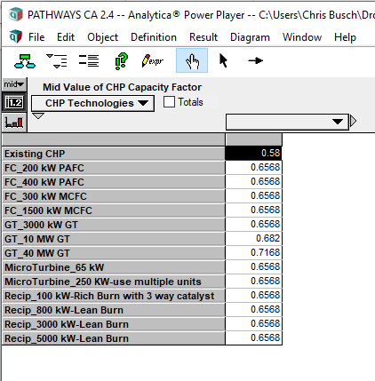
 |  |  |  |  |  |  |  |  |  |  |  |  |  | 8760 | hours in year
 |  |  |  |  |  | impute capacity based on DOE generation and "existing CHP" capacity factor shown at left, |  |  |  |  |  |  |  | 0.58 | cap factor
 |  |  |  |  |  |  |  |  | 2017
 |  |  |  |  |  | 0 | 2867261 | 2858960 | 2867261

 |  |  |  |  |  | capacity X hours in year X capacity factor |  |  | = | generation

 |  |  |  |  |  | Capacity estimate | 564 | 563 | 564

 | 2015 | 2016 | 2017 | 2018 | 2019 | 2020 | 2021 | 2022 | 2023 | 2024 | 2025 | 2026 | 2027 | 2028 | 2029 | 2030 | 2031 | 2032 | 2033 | 2034 | 2035 | 2036 | 2037 | 2038 | 2039 | 2040 | 2041 | 2042 | 2043 | 2044 | 2045 | 2046 | 2047 | 2048 | 2049 | 2050
 | #REF! | #REF! | #REF! | 2684181.7928 | 2501102.5857 | 2318023.3785 | 2134944.1714 | 1951864.9642 | 1768785.7571 | 1585706.5499 | 1402627.3427 | 1219548.1356 | 1036468.9284 | 853389.72127 | 670310.51411 | 487231.30696 | 487231.30696 | 487231.30696 | 487231.30696 | 487231.30696 | 487231.30696 | 487231.30696 | 487231.30696 | 487231.30696 | 487231.30696 | 487231.30696 | 487231.30696 | 487231.30696 | 487231.30696 | 487231.30696 | 487231.30696 | 487231.30696 | 487231.30696 | 487231.30696 | 487231.30696 | 487231.30696
 | 774.02864225 | 834.64617201 | 896.26736434 | 956.53751208 | 1015.7780787 | 1073.8333877 | 1131.8929678 | 1190.0912369 | 1248.6311744 | 1307.3517424 | 1369.5859778 | 1432.5563206 | 1496.1612165 | 1560.2541596 | 1624.7337945 | 1689.4285404 | 1689.4285404 | 1689.4285404 | 1689.4285404 | 1689.4285404 | 1689.4285404 | 1689.4285404 | 1689.4285404 | 1689.4285404 | 1689.4285404 | 1689.4285404 | 1689.4285404 | 1689.4285404 | 1689.4285404 | 1689.4285404 | 1689.4285404 | 1689.4285404 | 1689.4285404 | 1689.4285404 | 1689.4285404 | 1689.4285404

Natural gas nonpeaker
Commercial generation (MWh) |  |  |  |  |  |  | 100%
Commercial building capacity (MW) |  |  |  |  |  | 8760 | 7,851,302

Above data also provide total.

Use capacity fraction to imput CHP generation for commercial
total | 7648.8913662 | 7709.508896 | 7771.1300883 | 7831.400236 | 7890.6408026 | 7948.6961116 | 8006.7556918 | 8064.9539608 | 8123.4938983 | 8182.2144663 | 8244.4487017 | 8307.4190445 | 8371.0239405 | 8435.1168836 | 8499.5965185 | 8564.2912643 | 8564.2912643 | 8564.2912643 | 8564.2912643 | 8564.2912643 | 8564.2912643 | 8564.2912643 | 8564.2912643 | 8564.2912643 | 8564.2912643 | 8564.2912643 | 8564.2912643 | 8564.2912643 | 8564.2912643 | 8564.2912643 | 8564.2912643 | 8564.2912643 | 8564.2912643 | 8564.2912643 | 8564.2912643 | 8564.2912643
fraction of capacity commercial | 0.073779657522 | 0.072987630624 | 0.072619114467 | 0.067459078845 | 0.062385998661 | 0.057397082579 | 0.052480485712 | 0.047633860046 | 0.042854879092 | 0.038143440344 | 0.033484867204 | 0.028893538321 | 0.024369443037 | 0.019912427292 | 0.015521926473 | 0.011197257288 | 0.011197257288 | 0.011197257288 | 0.011197257288 | 0.011197257288 | 0.011197257288 | 0.011197257288 | 0.011197257288 | 0.011197257288 | 0.011197257288 | 0.011197257288 | 0.011197257288 | 0.011197257288 | 0.011197257288 | 0.011197257288 | 0.011197257288 | 0.011197257288 | 0.011197257288 | 0.011197257288 | 0.011197257288 | 0.011197257288

overall CHP electricity generation
 | 2015
generation MWh | 4.08E+07 | 4.11E+07 | 4.15E+07 | 4.19E+07 | 4.22E+07 | 4.26E+07 | 4.29E+07 | 4.32E+07 | 4.36E+07 | 4.39E+07 | 4.44E+07 | 4.47E+07 | 4.51E+07 | 4.55E+07 | 4.59E+07 | 4.63E+07 | 4.63E+07 | 4.63E+07 | 4.63E+07 | 4.63E+07 | 4.63E+07 | 4.63E+07 | 4.63E+07 | 4.63E+07 | 4.63E+07 | 4.63E+07 | 4.63E+07 | 4.63E+07 | 4.63E+07 | 4.63E+07 | 4.63E+07 | 4.63E+07 | 4.63E+07 | 4.63E+07 | 4.63E+07 | 4.63E+07

